Top Priority
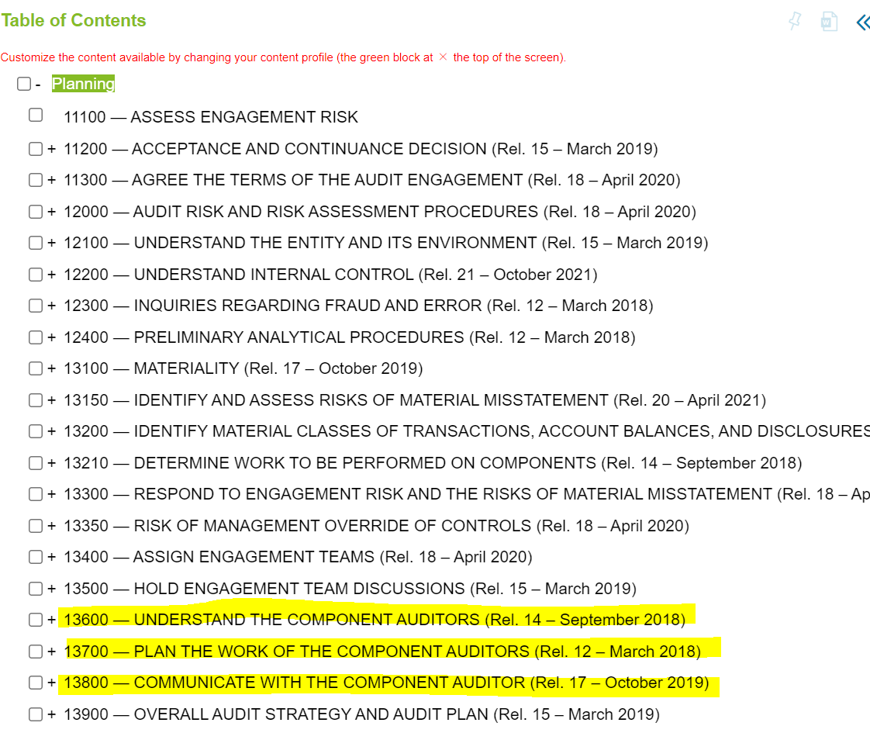
 |  | Status
 |  | Done
 |  | In progress
 |  | Deadline missed
 |  |  |  |  | USD | BDT
 |  |  |  | Materiality | 923,000
 |  |  |  | Performance Materiality | 692,250
 |  |  |  | CTT | 46,150

Name/Owner | Work scope | Date | Supervisor | Update/Progress
Imtiaz Rashid | Materiality |  | Salauddin Morshed | Done
Imtiaz Rashid | Preliminary Analytical Review (PAR) |  | Salauddin Morshed | To be done.
Salauddin Morshed | Fraud Discussion |  | Faruk Sir | Done
Salauddin Morshed | Assess engagement risk |  | Faruk Sir | To be done.
Imtiaz Rashid/ Sudipto Sarker (for respective heads) | RoMM - Significant Risks |  | Salauddin Morshed | To be done.
Imtiaz Rashid/ Sudipto Sarker (for respective heads) | RoMM - Nonsignificant Risks |  | Salauddin Morshed | To be done.
Masudur Rahman | Related party transaction |  | Salauddin Morshed | To be done.
Imtiaz Rashid | Process - Revenue |  | Salauddin Morshed | Done |  |  | Vouchr
Imtiaz Rashid | Process - COGS |  | Salauddin Morshed | Done |  |  | Invoice
Sudipto Sarker | Process - Cash |  | Salauddin Morshed | Done |  |  | Purchase order
Imtiaz Rashid | Process - FRCP |  | Salauddin Morshed | To be done. |  |  | Delivery note
Sudipto Sarker | Process - PPE |  | Salauddin Morshed | Done
Imtiaz Rashid | Process - Taxation |  | Salauddin Morshed | To be done.
Sudipto Sarker | Process - Admin expense | ` | Salauddin Morshed | To be done.
Imtiaz Rashid | Process - Inventory and inventory count |  | Salauddin Morshed | To be done. |  |  | Money receiving voucher
Imtiaz Rashid | Walkthrough - Revenue |  | Salauddin Morshed | Done |  |  | Monthly sales report
Imtiaz Rashid | Walkthrough - FRCP |  | Salauddin Morshed | To be done.
Imtiaz Rashid | OE - Revenue |  | Salauddin Morshed | To be done.
Mizanur Rahman | OE - MOC |  | Salauddin Morshed
Sudipto Sarker | D&I- Revenue |  | Salauddin Morshed | Done
Mizanur Rahman | D&I- MOC |  | Salauddin Morshed | To be done.
Imtiaz Rashid | TOD - Revenue |  | Salauddin Morshed | To be done.
Imtiaz Rashid | TOD - COGS |  | Salauddin Morshed | To be done.
Sudipto Sarker | TOD - PPE |  | Salauddin Morshed | To be done.
Sudipto Sarker | TOD - Cash |  | Salauddin Morshed | To be done.
Imtiaz Rashid | TOD - Inventory |  | Salauddin Morshed | To be done.
Salauddin Morshed | TOD - Taxation |  | Salauddin Morshed | To be done.
Sudipto Sarker | TOD - Personnel Expense |  | Salauddin Morshed | To be done.
Imtiaz Rashid/ Sudipto Sarker | Inventory Count |  | Salauddin Morshed | To be done.
Mizanur Rahman | JE Testing (Analysis) |  | Salauddin Morshed | To be done.
Imtiaz Rashid | Fraud Discussion meeting minutes |  | Salauddin Morshed | To be done.
Imtiaz Rashid | Planning minute with client minutes |  | Faruk Sir | To be done.
Salauddin Morshed | EQCR meeting set up, Agenda and Minutes |  | Faruk Sir | To be done.
Salauddin Morshed | Related party sig risk rebuttal form |  | Faruk Sir | To be done.
Mizanur Rahman | MOOC MEMO |  | Salauddin Morshed | To be done.
Salauddin Morshed | GITC Interpretation MEMO |  | Faruk Sir | To be done.
Salauddin Morshed | ETBL meeting - Fraud |  | Faruk Sir | To be done.
Sudipto Sarker | EQCR planning meeting minutes |  | Faruk Sir | To be done.
Sudipto Sarker | Fraud Questionnaire |  | Salauddin Morshed | To be done.

